1. Title Page
[INSTACART BASKET ANALYSIS]

Project Name: Instacart Basket Analysis
Date: 14/06/2023
Analyst Name: Padmasini Venugopal

Contents:
Population Flow
Consistency checks
Wrangling steps
Column derivations
Visualizations
Recommendations

Data Citation:
The Instacart Online Grocery Shopping Dataset 2017, from http://www.instacart.com/datasets/grocery-shopping-2017 on [date].
Customer data, and the "prices" data, were fabricated by Career foundary for the purpose of this project.

2. Population Flow
Title page

Population flow

Exclusion flag
Condition: max_order < 5
Obervations to be removed: 1440295
Final total count of order_products_all: 30964564

Orders_products_combined
Orders_products_merged
Orders_products_all

Total: 32,404,859
Total: 32,434,489
Total: 32,404,859

1.) The grey boxes in the first row of the population flow represent the original data sets as they were when you downloaded them. In the Total fields you need to add the count of the rows when you imported the data set into Jupyter.
2.) The second row of boxes (coloured) represents the data sets after you manipulated them, e.g., removed missing values and duplicates. In the Total fields you need to add the count of the rows after conducting these operations. This offers a visual oveview of how the data flows throughout the data consistency checks.
3.) The third row, where also the arrows are coloured, represents the merges you performed between the datasets. In the Total fields you need to add the count of the rows in the merged datasets, so that you end up with the final dataset (in the red box). Keep in mind the final dataset should be without exclusions (based on the exclusion flag).

3. Consistency checks
 |  |  |  | Title page
Consistency checks

Dataset | Missing values | Missing values treatment | Duplicates
orders | 206209 missing values | No changes made as it was first time order | No Duplicates found
products | 16 missing values | Removed the records | 5 Duplicates removed
orders_products_prior | No missing values |  | No Duplicates found
customers | No missing values |  | No Duplicates found

4. Wrangling steps
 |  |  |  | Title page
Wrangling steps

Columns dropped | Columns renamed | Columns' type changed | Comment/Reason
eval_set |  |  | Not needed
 | order_dow to 'Orders_day_of_week' |  | renamed to orders_day_of_week
 |  | order_id into string | changed from integer to string as it is an identifier variable
 | STATE to state |  | changed to state
 | order_hour_of_day' to 'orders_timing_in_day' |  | renamed hour to timing
 | Surnam' to 'Last Name' |  | To match the First name
 | n_dependants' to 'No_of_dependants' |  | Renamed for the clarity for the column name.
First Name |  |  | removed for security concerns since it contains PII
Last Name |  |  | removed for security concerns since it contains PII

5. Column derivations
 |  |  |  |  | Title page

Column derivations and aggregations

In this tab you should add tables below that the frequences of flags/label variables that you produced after deriving them. NB: don't do this for continuous variables, only for flags.
Dataset | New column | Column/s it was derived from | Conditions | Frequency
orders_products_merged | price_range_loc | prices | prices<=15&prices>5:'Mid range product' | Mid range product 21861558
 |  |  | prices<=5:'Low range product' | Low range product 9904846
 |  |  | prices>15:'High range product' | NaN 638455

orders_products_merged | busiest_day | orders_day_of_week | if value==4 | Regularly busy 22416875
 |  |  | if value==0 | Busiest day 6204182
 |  |  | else | Least busy 3783802

orders_products_merged | busiest_days | orders_day_of_week | else | Regular days 12916111
 |  |  | if == 0 or ==1 | Busiest days 11864412
 |  |  | if == 4 or ==3 | Slowest days 7624336

orders_products_merged | busiest_period_of_day | order_timing_in_day | if hour in 10,11,14,15,13,12,16,9 | Most orders 21118071
 |  |  | else | Average orders 9997651
 |  |  | if hour in 23,6,0,1,5,2,4,3 | Fewest orders 1289137

orders_products_merged | loyalty_flag | max_order | max_order is <=40 & >10 | Regular Customer 15876776
 |  |  | max_order >40 | Loyal Customer 10284093
 |  |  | max_order <=10 | New Customer 6243990

orders_products_merged | spending_flag | avg_price | avg_price <10 | Low Spender 31898
 |  |  | avg_price >=10 | High Spender 32372961

orders_products_merged | customer | frequency | median_frequency <=10 | Frequent customer 1384157
 |  |  | median_frequency >10& <=20 | Regular customer 6533511
 |  |  | median_frequency >20 | Non frequent customer 24487186
 |  |  |  | Nan 5

customers_merged | Region | state |  | South 10791885
 |  |  |  | West 8292913
 |  |  |  | Midwest 7597325
 |  |  |  | Northeast 5722736

customers_merged | order_activity_flag | max_order | max_order >=5 | High order customer 30964564
 |  |  | max_order <5 | Low order customer 1440295

customers_merged | age_flag | age | age <=65& age <=40 | Middle-aged adult 12646712
 |  |  | age <=40 | Young adult 11670046
 |  |  | age >65 | Senior adult 8088101

customers_merged | income_flag | income | income <80k & income >=30k | Middle income 11366712
 |  |  | income >=80k | High income 20831060
 |  |  | income <30k | Low income 207087

customers_merged | Marital_status_flag | No_of_dependants | No_of_dependants >0 | Family 24307356
 |  |  | No_of_dependants =0 | Single 8097503

customers_department_merged | category_flag | department_id |  | Daily essentials 27794966
 |  |  |  | Drinks 2841819
 |  |  |  | Food lovers 1320502
 |  |  |  | Personal care 447572

6. Visualizations
 |  |  |  |  |  |  |  | Title page

Visualisations

1. What are the busiest days of the week and busiest hours of the day??

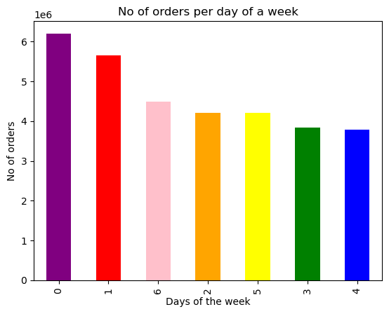

 |  |  |  | This bar plot shows here the number of orders (y-axis) per day of the week(x-axis).

 |  |  |  | 1=Sunday
 |  |  |  | 2=Monday
 |  |  |  | 3=Tuesday
 |  |  |  | 4=Wednesday
 |  |  |  | 5=Thursday
 |  |  |  | 6=Friday
 |  |  |  | 0=Saturday
 |  |  |  | The busiest days : Saturday, Sunday and Friday.
 |  |  |  | Least busy days: Wednesday and Tuesday.

 | BUSIEST HOURS OF THE DAY

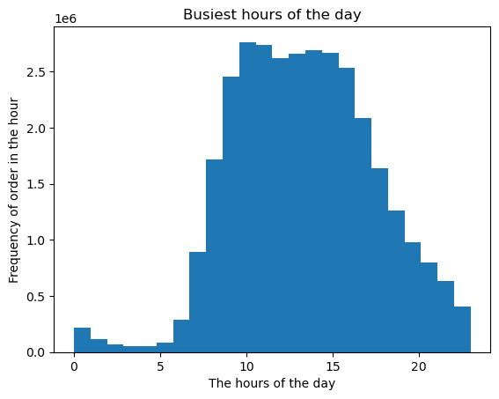

 |  |  |  |  | The histogram plot shows
 |  |  |  |  | x- axis : The hours of the day
 |  |  |  |  | y-axis : The frequency
 |  |  |  |  | Observation:
 |  |  |  |  | The lowest frequency is from 0 to 6 hrs and the highest frequency is from 9- 16 hrs. After, 16.00 hrs it gradually decreases.

 |  | 2. Are there particular times of the day when people spend the most money?

 |  | line chart from the "prices and "order_day_of_week" columns

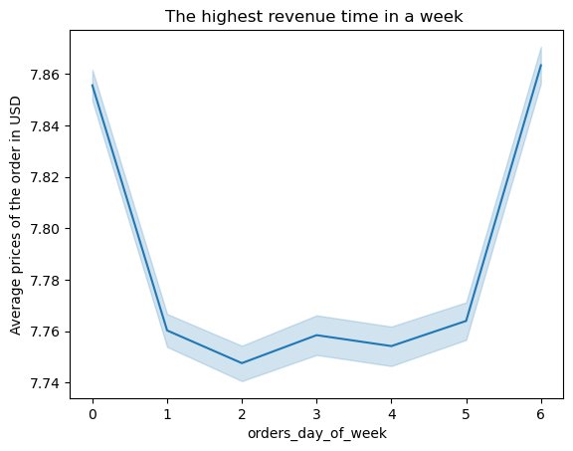

 |  |  |  |  | From the line chart, the price peaks occur on Saturday and Friday.

 |  | Line chart for 'Order_timing_in_day and 'prices'
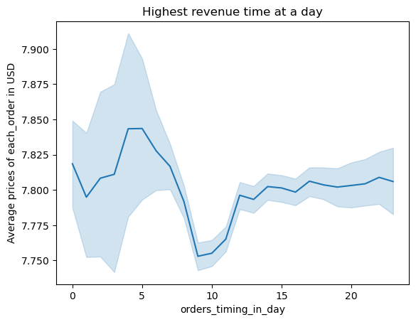

 |  |  |  |  | From the line chart, prices fluctuate with the time of the day. Prices peak from 2 am to 7 am, decrease until 10 am,
 |  |  |  |  | then slightly increase by 2 pm and stabilize from 3 pm and a slight fluctuation is seen from 9 pm to 10 pm.

 | 3. Instacart has a lot of products with different price tags. Marketing and sales want to use simpler price range groupings to help direct their efforts.

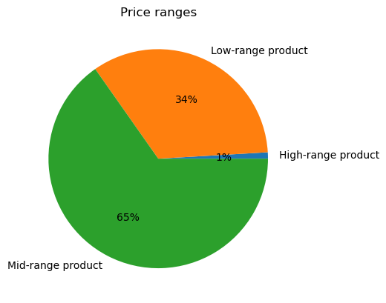

 |  |  |  |  |  |  |  |  | According to the pie chart,
 |  |  |  |  |  |  |  |  | Price ranges were categorised into 3 parts - High,Low and Mid-range products.
 |  |  |  |  |  |  |  |  | According to the data, the mid-range products are higher with 65% , low range with 34% and about 1% of high-range
 |  |  |  |  |  |  |  |  | products.

 | 4. Are there certain type of products that are popular than others? Which department has the highest frequency of product orders?

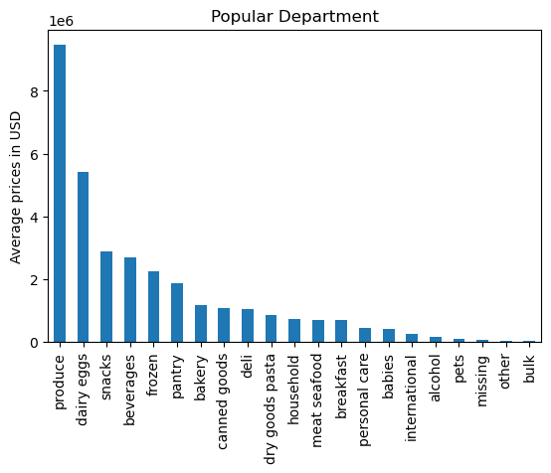

 |  |  |  |  |  | The most popular department with high purchase frequency are "Produce, dairy eggs, snacks".
 |  |  |  |  |  | The least sold department are "pets,other,bulk".

 | 5.a What’s the distribution among users in regards to their brand loyalty (i.e., how often do they return to Instacart)?

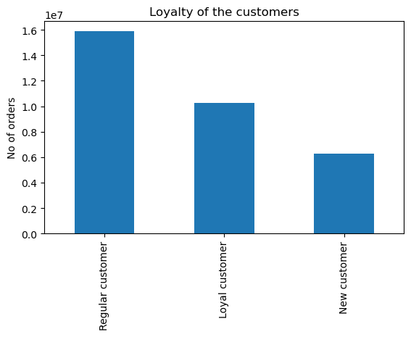

 |  |  |  |  |  | The bar chart shows, Customers loyalty towards the company
 |  |  |  |  |  | If max_order is <=40 & >10 then Regular customer
 |  |  |  |  |  | If max_order>40 then Loyal customer
 |  |  |  |  |  | If max_order<=10 then New customer
 |  |  |  |  |  | Regular customers make up almost 50% of all customers.

 | 5.b Are there differences in ordering habits based on a customer’s loyalty status?

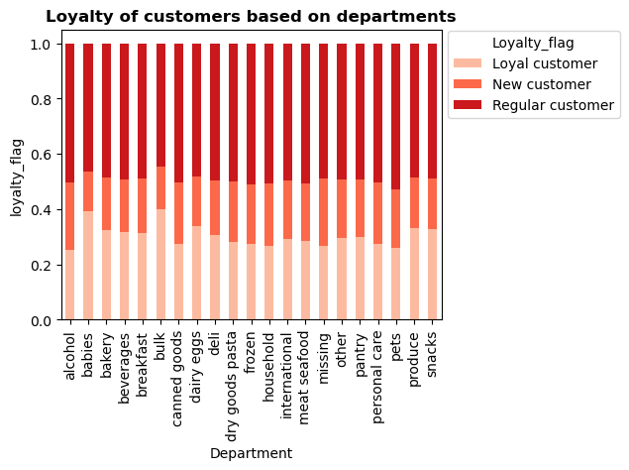

 |  |  |  |  |  | The ordering habits across all departments are almost similar for all three types of customers.
 |  |  |  |  |  | In brief, the preferences changed the loyal customers mostly ordered for babies, bulk produce and snacks.
 |  |  |  |  |  | Meanwhile, the Regular customers mostly ordered from pets, alcohol,dry goods pasta and canned goods.

 | 5.c Are there differences in ordering habits based on a customer’s region?

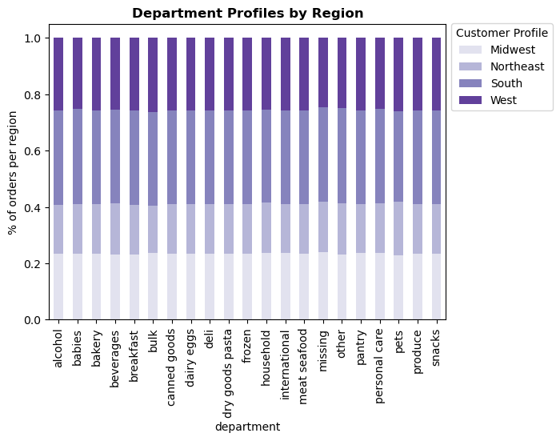

 |  |  |  |  |  |  | The ordering habits across all departments remain consistent for all the four regions.
 |  |  |  |  |  |  | South region represents the highest number of orders.

 | 5.d Is there a connection between age and family status in terms of ordering habits?

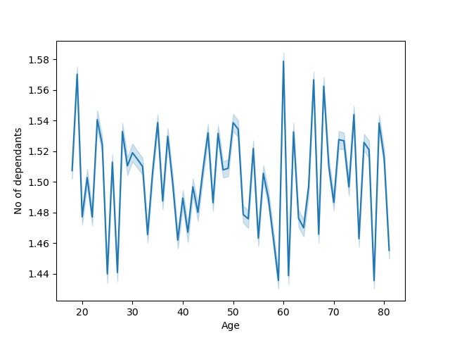

 |  |  |  |  | From the line chart there doesn't seem any real connection between age and the number of dependents.
 |  |  |  |  | As, the 18-20 age group has peak, whereas 20 to 30 there is not a much spike. The above 40s has a slight upward trend but a real spike is seen after 60 years.
 |  |  |  |  | Although, I don't see any particular pattern of trend here.



 |  |  |  |  | From the scatterplot, its clear that the age group above 40+ are earning more when compared to 20s and 30s and it makes sense as it may be
 |  |  |  |  | because of the experience and expertise they gained in all these years. In the early 20s and 30s no one crossed
 |  |  |  |  | an income of 400k whereas above 40s they reach till 600k.

 | 5.e What different classifications does the demographic information suggest? Age? Income? Certain types of goods? Family status?

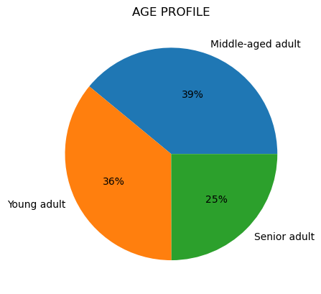
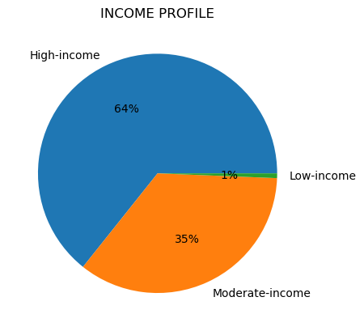
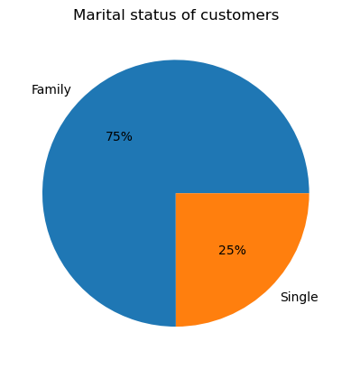

 |  | From the age pie-chart, Middle age customers represent the highest purchase |  |  | From the above chart, its clear that the High income people made the |  |  |  |  | Customers with family gives the highest sales revenue for instacart.
 |  | followed by Young adults and seniors. However, there is no significant |  |  | most purchase, followed by it it’s the moderate-income people with 35%.
 |  | the difference in sales. |  |  | Lastly, the low-income customers with 1% of the total purchase.

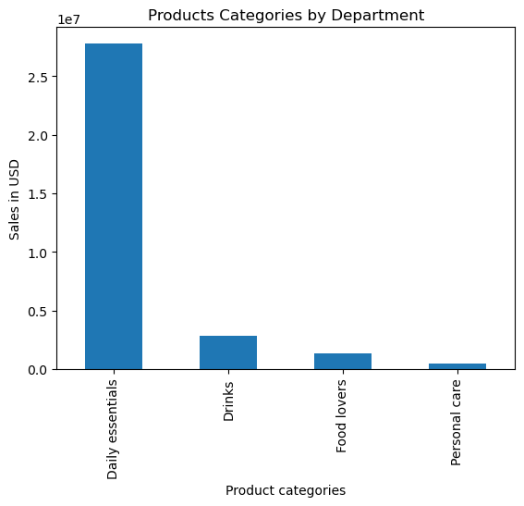

 |  |  |  |  |  | From classifying the department products in different categories it's clear that the day-to-day
 |  |  |  |  |  | essentials contributes to the high revenue of Instacart.

 | 5.f What differences can you find in ordering habits of different customer profiles?

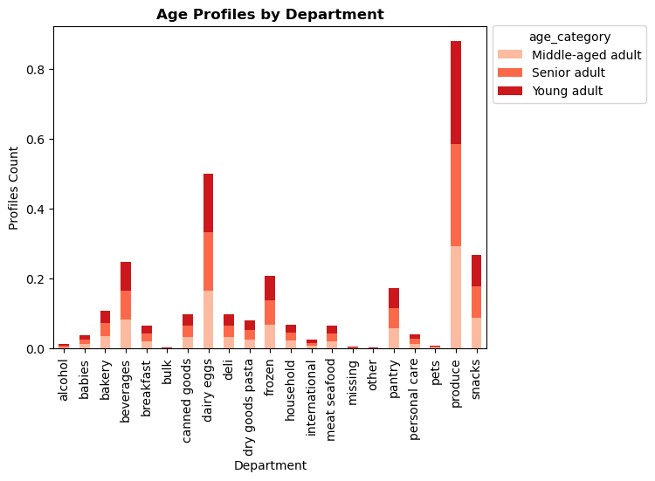
 |  | BASED ON AGE

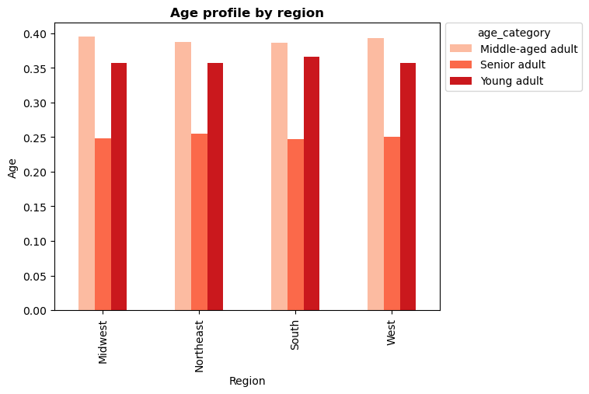

 |  | The most of the customers of Instacart belong to Middle aged group in all the four region, |  |  |  |  |  |  | The top 5 departments based on profile counts are produce,dairy eggs, snacks, beverages and frozen.
 |  | followed by it is the young adults.

 |  | BASED ON INCOME

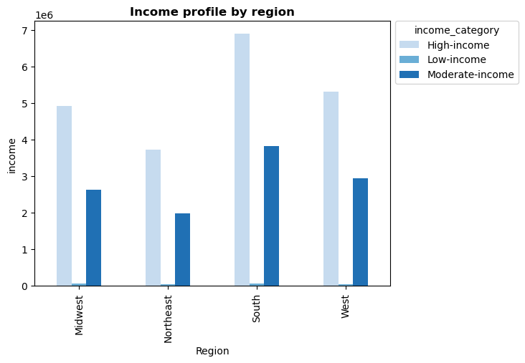
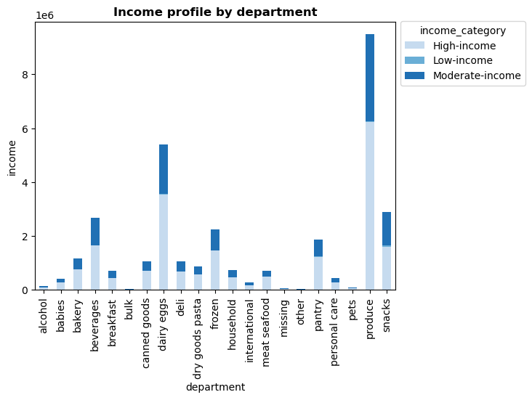

 |  | Across all the regions, the high income people made the largest proportion. |  |  |  |  |  |  | Produce, dairy eggs, and snacks are the top three departments across all income profiles and the
 |  |  |  |  |  |  |  |  | least three departments are pets,missing and others.

 |  | BASED ON NO OF DEPENDANTS

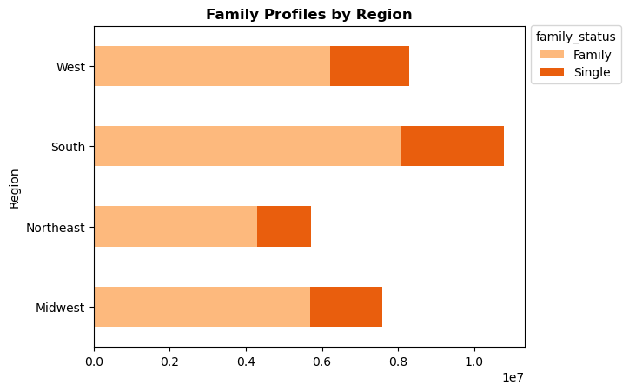
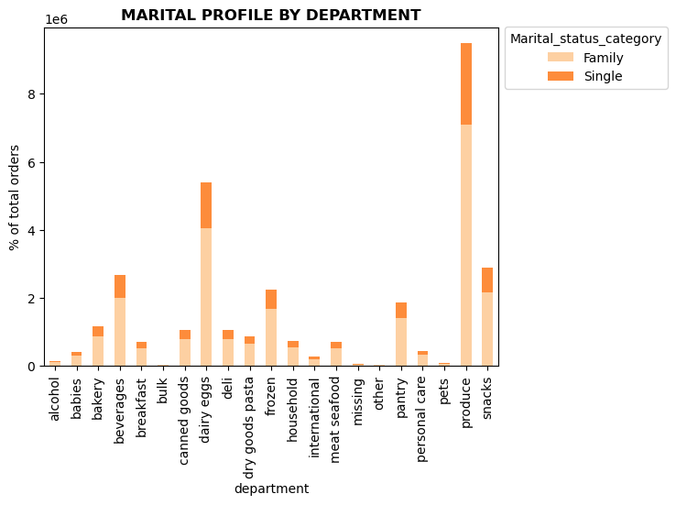

 |  |  | The proportion of family and single lives more in south region, and Northeast region with the |  |  |  |  |  | From the stacked bar chart, families and singles mostly prefer produce, dairy and snacks.
 |  |  | lowest proportion

 |  | BASED ON CERTAIN GOODS IN DEPARTMENT_ID

 |  |  | The ordering habits across all departments remain consistent for all the four regions.
 |  |  | South region represents the highest number of orders.

7. Recommendations
 |  | Title page

Recommendations

1. What are the busiest days of the week and busiest hours of the day??
ANSWER: Busiest days of week: Saturday, Sunday and Friday.
 | Least busy days of week: Wednesday and Tuesday.
 | Busiest time of the day: It's between 9 to 16 hrs
 | Slowest time of the day: It's between 0 to 6 hrs
Recommendations: To improvise sales, schedule discount ads on Wednesday and Tuesday, especially during the slowest time of the day.

2. Are there particular times of the day when people spend the most money?
ANSWER: In the mornings, prices peak from 2 am to 7 am, and decrease until 10 am. And by, 2 pm there is a slight increase and gets stabilized from 3 pm
Recommendations: Instacart should promote more high-priced product ads in the early morning hours from 4 am until 7 am this will help people to explore more products while ordering.

3. Instacart has a lot of products with different price tags. Marketing and sales want to use simpler price range groupings to help direct their efforts.
A: Prices less than and equal to 15 and greater than 5 are 'Mid range product'.
Prices <=5 are 'low range product'.
Prices >15 are 'High range product'.
According to the data, the mid-range products are higher with 65% , low range with 34% and about 1% of high-ranged products.
Recommendations: To promote sales instacart must include a few more products in high range category.

4. Are there certain type of products that are popular than others?
ANSWER: The most popular department with high purchase frequency is "Produce, dairy eggs, snacks" and the least purchase is "alcohol, pets, other, bulk".
Recommendations: Instacart should look behind the reason for least popular departments and put more advertising effort to increase the revenue.

5.a What’s the distribution among users in regards to their brand loyalty (i.e., how often do they return to Instacart)?
ANSWER : Regular customers make up 50% of all customers and new customers make up 19% of all customers.
Recommendations: To improve the loyalty between the company and customers, we must introduce more discounts and rewards for more frequent ordering customers. Instacart can also introduce the referral code system through which
new customers counts will increase.

5.b,c Are there differences in ordering habits based on a customer’s loyalty status and regions?
ANSWER: In terms of loyalty status, regular customers order the most as compared to new and loyal customers. Meanwhile, in the region, the south has the majority of orders and sales.
Recommendations: To improve sales in different regions, we must concentrate on the most preferred products and can monthly subscription which will help them with one time order and the products reaches them on every month base.
And, also concentrate on the most selling products and send buy again ads in their portal to improvise the sales.

5.d Is there a connection between age and family status in terms of ordering habits?
ANSWER: AGE: The 18-20 age group has a peak, whereas 20 to 30 there is not a much spike. The above 40s has a slight upward trend but a real spike is seen after 60 years.
INCOME: The age group above 40+ are earning more when compared to 20s and 30s and it makes sense as it may be because of the experience and expertise they gained in all these years. In the early 20s and 30s, no one crossed
an income of 400k whereas above 40s they reach till 600k.
Recommendations: To improvise sales, we must concentrate on 40+ customers seeing their spending flag and send more ad promotions to them.

5.e What different classifications does the demographic information suggest? Age? Income? Certain types of goods? Family status?
ANSWER: From the analysis, middle-aged adults with high-income profiles with families place a high frequency of orders.
Recommendations: It would be beneficial to advertise products within specific departments such as produce, babies, and pantry items to middle age groups and families who generate significant revenue.
And also segregate some marking costs for promoting ads for affordable cost products for low-income people which will improve sales among them.

5.f What differences can you find in ordering habits of different customer profiles?
ANSWER: From the analysis, middle-aged adults with high-income profiles with families place a high frequency of orders. The most preferred department categories are produce, dairy eggs, snacks, beverages, and frozen.
Recommendations: It's highly recommended to continue with marketing ads for departments such as produce, dairy eggs, snacks, beverages, and frozen as these produce high revenue. We must concentrate on the mid selling products such as
pantry, deli, bakery, canned goods, dry goods pasta, breakfast, and personal care to improvise sales by giving more ads and by announcing sales. Apparently, Instacart should find the reason behind the least sold items.

OVERALL RECOMMENDATIONS:
Create more marking campaigns for young age groups by introducing trendy pay-later options.
Instacart must enhance the marketing for the least sold products such as pets, babies, and alcohol.
Family-oriented promotions by developing marketing campaigns that cater to the needs of families by explaining the convenience and nutritional values of foods will them more eager to try the product. Specifically, if it’s a young mother then promoting the babies products to them is advised.
A special consideration is needed to northeast region as it has less customers and sales, it can be improvised by sending more ads through newspapers, pamplets and offers for the first orders will improve the market in that region.

